Sheet1
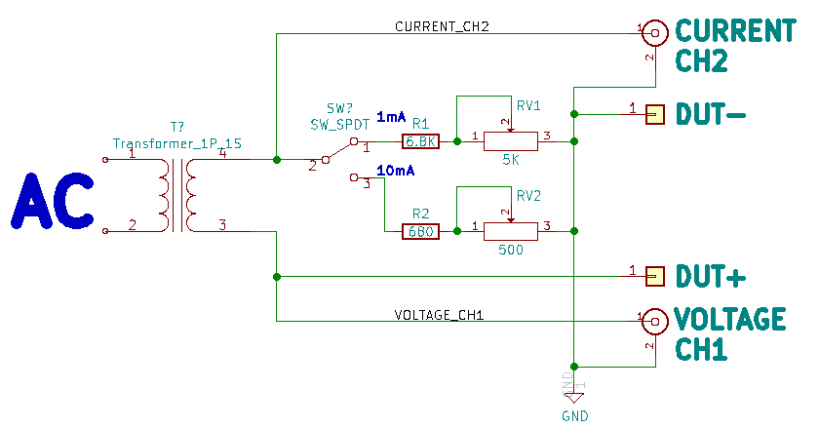
Vrms | 2*sqrt(2) | Vp | Vpp | R | Ip (mA) max | Pot | Rmax | Ip (mA) min
6.3 | 2.828 | 8.9095 | 17.819 | 6800 | 1.31 | 5000 | 11800 | 0.75505
6.3 | 2.828 | 8.9095 | 17.819 | 680 | 13.10 | 500 | 1180 | 7.55046

